ac 248000 activity
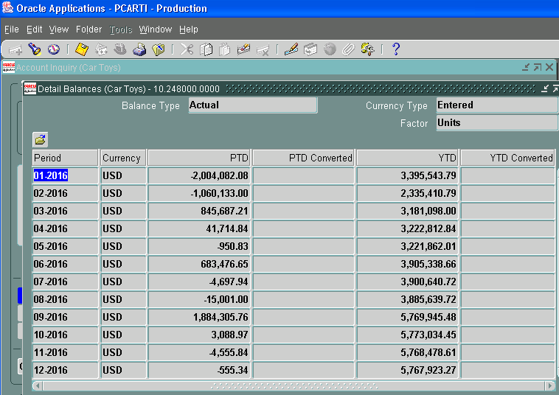
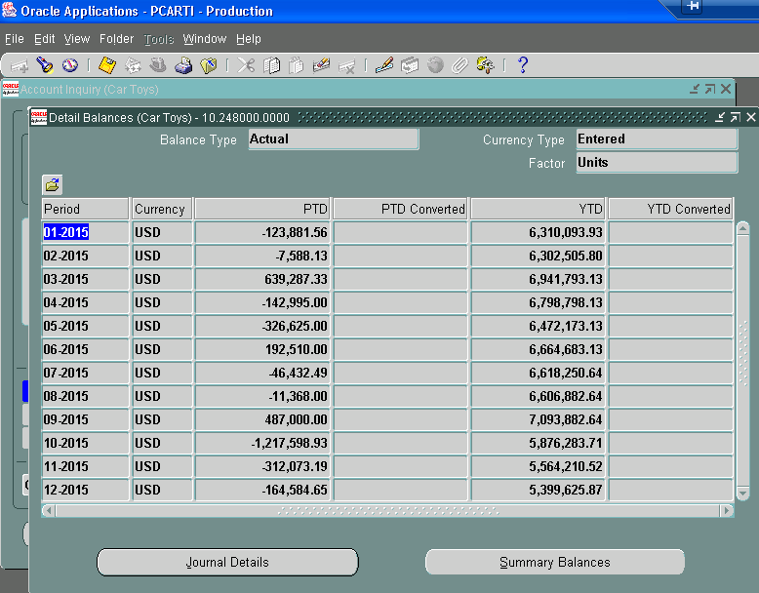
 |  |  | Car Toys, Inc.
 |  |  | Schedule of general ledger activity for account 248000
 |  |  | year ended December 31, 2016
 |  |  |  |  |  | reclass |  |  | federal |  |  | state income taxes
 |  |  |  | debit | credit | a/c 247000 | provision | 2017 |  | 2016 | 2017 | 2016 | refund

2016-01-31 | 10.248000.0000 $ STATE |  |  | - | 200.00 |  |  |  |  |  |  | - | (200)
2016-01-31 | 248000.0000 $ DEPARTME |  |  | - | 44.00 |  |  |  |  |  |  |  | (44)
2016-01-31 | DISCOVER IRS/STATE Wit |  |  | 259.92 |  |  |  |  |  |  | 260 |  | -
2016-01-31 | December 2015 Cash Dis |  |  |  | 2,004,098.00 |  | (2,004,098)
2016-02-29 | 10.248000.0000 $ STATE |  |  | - | 10,740.00 |  | - |  |  |  |  |  | (10,740)
2016-02-29 | 10.248000.0000 $ COMPT |  |  | - | 15,024.00 |  |  |  |  |  |  |  | (15,024)
2016-02-29 | 10.248000.000 $ TREASU |  |  | - | 895.00 |  |  |  |  |  |  |  | (895)
2016-02-29 | 248000.0000 $ STATE OF |  |  | - | 6,653.00 |  |  |  |  |  |  |  | (6,653)
2016-02-29 | IRS Tax Return |  |  |  | 1,026,857.00 |  | (1,026,857) |  |  |  |  | -
2016-03-31 | Car Toy# 911361695 For |  |  | 2,000.00 |  |  |  |  |  |  | 2,000
2016-03-31 | Car Toy# 911361695 For |  |  | 2,000.00 |  |  |  |  |  |  | 2,000
2016-03-31 | Car Toy# 911361695 For |  |  | 2,000.00 |  |  |  |  |  |  | 2,000
2016-03-31 | Car Toy# 911361695 For |  |  | 2,000.00 |  |  |  |  |  |  | 2,000
2016-03-31 | Car Toy# 911361695 For |  |  | 8,000.00 |  |  |  |  |  |  | 8,000
2016-03-31 | 248000.0000 $ STATE OF |  |  | - | 1,442.80 |  |  |  |  |  |  | - | (1,443)
2016-03-31 | 248000.0000 $ STATE OF |  |  | - | 1,552.00 |  |  |  |  |  |  | - | (1,552)
2016-03-31 | 248000.000 $ AMBER INV |  |  | - | 5,059.99 |  |  |  |  |  |  | - | (5,060)
2016-03-31 | 248000.0000 $ COLORADO |  |  | - | 10,272.00 |  |  |  |  |  |  | - | (10,272)
2016-03-31 | 148000.0000 $ COMMONWE |  |  | - | 12,348.00 |  |  |  |  |  |  | - | (12,348)
2016-03-31 | 248000.0000 $ STATE OF |  |  | - | 400.00 |  |  |  |  |  |  | - | (400)
2016-03-31 | 248000.0000 $ AUDITOR |  |  | - | 642.00 |  |  |  |  |  |  | - | (642)
2016-03-31 | 248000.0000 $ WISCONSI |  |  | - | 2,596.00 |  |  |  |  |  |  | - | (2,596)
2016-03-31 | AZ tax payment |  |  | 4,000.00 |  |  |  |  |  |  | 4,000 |  | -
2016-03-31 | CA tax payment |  |  | 100,000.00 |  |  |  |  |  |  | 100,000
2016-03-31 | Mar 2016 Rcls Cash to |  |  | 750,000.00 |  |  |  | 750,000
2016-03-31 | Fed Tax Adjustment |  |  | 10,000.00 |  |  | 10,000
2016-04-30 | 248000.0000 $ STATE OF IOWA CORPORATE REFUND $ CK#20690327 |  |  | - | 149.24 |  |  |  |  |  |  | - | (149)
2016-04-30 | 248000.0000 $ STATE OF RHODE ISLAND AND PROVIDENCE $ PLANTATIONS CK#000193565 |  |  | - | 1,382.00 |  |  |  |  |  |  | - | (1,382)
2016-04-30 | 248000 $ STATE OF DELAWARE REVENUE REFUND CK# $ 754534 |  |  | - | 27.00 |  |  |  |  |  |  | - | (27)
2016-05-31 | 248000.0000 $ STATE OF NEW YORK REFUND ACCT CK#2223999 $ |  |  | - | 109.85 |  |  |  |  | - |  |  | (110)
2016-05-31 | 2016 Texas Franchise Tax |  |  | 43,246.08 |  |  | - |  |  |  | 43,246
2016-05-31 | 248000.0000 $ STATE OF NEW MEXICO TAX YR 2012 REFUND $ CK#S00000034420 |  |  | - | 813.98 |  |  |  |  |  |  |  | (814)
2016-06-30 | 248000.0000 $ OREGON DEPARTMENT OF REVENUE CK#10035188 $ 6 |  |  | - | 15,631.32 |  | - |  |  |  |  |  | (15,631)
2016-06-30 | 248000.0000 $ STATE OF NEW YORK CORP FRANCHISE TAX $ REFUND CK#22433208 |  |  | - | 288.03 |  | - |  |  |  |  |  | (288)
2016-06-30 | 248000.0000 $ STATE OF OHIO 3/12 BUS INCOME TAX $ WARRRANT#127951443 |  |  | - | 1,804.00 |  |  |  |  |  |  |  | (1,804)
2016-06-30 | CT# 911361695 Extension FYE 3.31.2016 |  |  | 200.00 |  |  | - |  |  |  | 200 |  | -
2016-06-30 | 06-2016 Connecticut State Tax |  |  | 5,000.00 |  |  |  |  |  |  | 5,000 |  | -
2016-06-30 | Record Tax for Fed and State | CT#66C JP |  | 696,000.00 |  |  | 696,000
2016-07-31 | 10.248000.0000 $ COMMO |  |  | 0 | 4,475.63 |  |  |  |  |  |  |  | (4,476)
2016-07-31 | 248000.0000 $ COLORADO |  |  | 0 | 143 |  |  |  |  |  |  | - | (143)
2016-07-31 | 248000.0000 $ WELLS FA |  |  | 0 | 43.31 |  |  |  |  |  |  | - | (43)
2016-08-31 | 248000.0000 $ STATE OF |  |  | 0 | 15,001.00 |  |  |  |  |  |  | - | (15,001)
2016-09-30 | Record Tax for Fed and State CT66B-JP |  |  | 1,879,000 |  |  | 1,879,000 |  |  |  |  |  | -
2016-09-30 | 2016-09-15 |  |  | 9,000.00 |  |  |  |  |  |  | 9,000
2016-09-30 | 10.248000.0000 $ UNITE |  |  | 0 | 463.45 |  |  |  |  |  |  | - | (463)
2016-09-30 | 10.248000.0000 $ STATE |  |  | 0 | 3,230.79 |  |  |  |  |  |  | - | (3,231)
2016-10-31 | 248000.000 $ MSB TOLL |  |  | 0 | 60.84 |  |  |  |  |  |  | - | (61)
2016-10-31 | US Treasury Ck#8522195 |  |  | 464 |  |  |  | 464
2016-10-31 | US Treasury Ck#8522195 |  |  | 2685.81 |  |  |  | 2,686
2016-11-30 | 10.248000.0000 $ COMMO |  |  | 0 | 4,555.84 |  |  |  |  |  |  | - | (4,556)
2016-12-31 | US Treasury |  |  |  | 555.34 |  |  |  |  |  |  | - | (555)
 |  |  |  |  |  |  | -
 |  |  |  |  |  |  | -
 |  |  |  |  |  |  | - | -
 | net credit for 2016 | $368,297 |  | 3,515,856 | 3,147,558 | - | (445,955) | 753,150 |  | - | 177,706 | - | (116,603)
 | balance at Dec. 31, 2015 per bs | 5,399,626 |  | debit | credit | reclass | provision | 2017 |  | 2016 | 2017 | 2016 | refund
 | balance at Dec. 31, 2016 per bs | $5,767,923 |  |  |  |  |  |  | federal |  |  | state

ac 248000 activity -2015
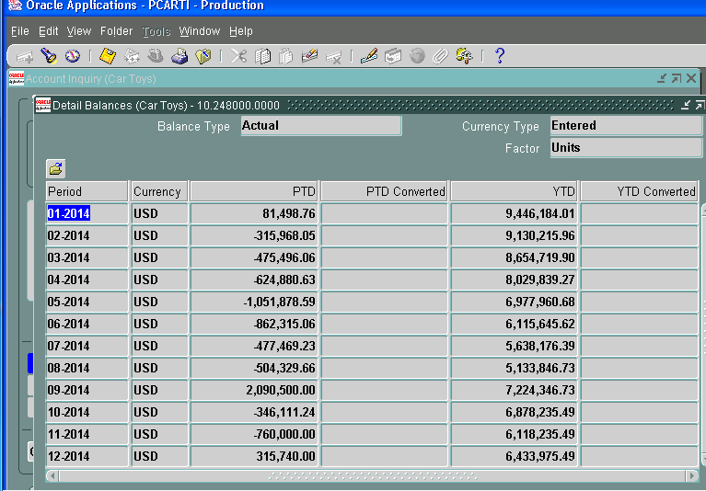
 |  |  |  | Car Toys, Inc.
 |  |  |  | Schedule of general ledger activity for account 248000
 |  |  |  | year ended December 31, 2015
 |  |  |  |  |  |  | reclass |  |  | federal |  |  | state income taxes
 |  |  |  |  | debit | credit | a/c 247000 | provision | 2016 |  | 2015 | 2016 | 2015 | refund

2015-01-01 | 91-1361695 FORM ITS-V | Georgia Dept o | FITTAX2014 |  | 43 |  |  |  |  |  |  |  | 43
2015-01-01 | 10.248000.0000 $ Tax R |  |  |  | - | 3,373 |  |  |  |  |  |  |  | (3,373)
2015-01-01 | 10.248000.0000 $ Tax R |  |  |  | - | 9,783 |  |  |  |  |  |  |  | (9,783)
2015-01-01 | 10.248000.0000 $ Tax R |  |  |  | - | 14,288 |  |  |  |  |  |  |  | (14,288)
2015-01-01 | Record tax on CT incom |  |  |  | 275,899 |  |  | (275,899)
2015-01-01 | Record tax on investme |  |  |  |  | 372,379 |  | 372,379
2015-02-01 | 10.248000.0000 $ St of |  |  |  | - | 60 |  |  |  |  |  |  |  | (60)
2015-02-01 | 10.248000.0000 $ STate |  |  |  | - | 7,528 |  |  |  |  |  |  |  | (7,528)
2015-03-01 | #91-1361695 ACCT 1309- | Mississippi De | TAXFYE3312014 |  | 58 |  |  |  |  |  |  |  | 58
2015-03-01 | #91-1361695 FORM CT ES | Montana Dept o | TAXFYE3312015 |  | 1,000 |  |  |  |  |  |  |  | 1,000
2015-03-01 | #91-1361695 FORM CIT-E | New Mexico Tax | TAXFYE3312015 |  | 1,000 |  |  |  |  |  |  |  | 1,000
2015-03-01 | #91-1361695 FORM IT-6 | Indiana Dept o | TAXFYE3312015 |  | 1,000 |  |  |  |  |  |  |  | 1,000
2015-03-01 | #91-1361695 FORM 620ES | Louisiana Dept | TAXFYE3312015 |  | 1,000 |  |  |  |  |  |  |  | 1,000
2015-03-01 | #91-1361695 FORM 83-30 | Mississippi De | TAXFYE3312015 |  | 1,000 |  |  |  |  |  |  |  | 1,000
2015-03-01 | #91-1361695 FORM IA CO | Treasurer- Sta | TAXFYE3312015 |  | 1,000 |  |  |  |  |  |  |  | 1,000
2015-03-01 | #91-1361695 FORM 1120N | Nebraska Dept | TAXFYE3312015 |  | 1,000 |  |  |  |  |  |  |  | 1,000
2015-03-01 | #91-1361695 FORM SC112 | SC Dept of Rev | TAXFYE3312015 |  | 2,000 |  |  |  |  |  |  |  | 2,000
2015-03-01 | #91-1361695 FORM 112-E | Colorado Dept | TAXFYE3312015 |  | 3,000 |  |  |  |  |  |  |  | 3,000
2015-03-01 | #91-1361695 FORM 41 ES | Idaho State Ta | TAXFYE3312015 |  | 3,000 |  |  |  |  |  |  |  | 3,000
2015-03-01 | #91-1361695 FORM CD-42 | North Carolina | TAXFYE3312015 |  | 5,000 |  |  |  |  |  |  |  | 5,000
2015-03-01 | #91-1361695 FORM F-112 | Florida Dept o | TAXFYE3312015 |  | 6,000 |  |  |  |  |  |  |  | 6,000
2015-03-01 | #91-1361695 FORM 20-V | Oregon Departm | TAXFYE3312015 |  | 9,000 |  |  |  |  |  |  |  | 9,000
2015-03-01 | 248000.0000 $ COMMONWE |  |  |  | - | 13,751 |  |  |  |  |  |  |  | (13,751)
2015-03-01 | MN tax payment |  |  |  | 3,000 |  |  |  |  |  |  |  | 3,000
2015-03-01 | PA tax payment |  |  |  | 5,000 |  |  |  |  |  |  |  | 5,000
2015-03-01 | AZ tax payment |  |  |  | 11,000 |  |  |  |  |  |  |  | 11,000
2015-03-01 | IL tax payment |  |  |  | 12,000 |  |  |  |  |  |  |  | 12,000
2015-03-01 | NY tax payment |  |  |  | 18,500 |  |  |  |  |  |  |  | 18,500
2015-03-01 | CA tax payment |  |  |  | 120,000 |  |  |  |  |  |  |  | 120,000
2015-03-01 | Federal Tax payment |  |  |  | 1,600,000 |  |  |  |  |  | 1,600,000
2015-03-01 | WALLC tax distribution |  |  |  |  | 364,759 |  | 364,759
2015-03-01 | WALLC tax distribution |  |  |  |  | 2,375,167 |  | 2,375,167
2015-03-01 | WALLC tax distribution |  |  |  | 364,759 |  |  | (364,759)
2015-03-01 | WALLC tax distribution |  |  |  | 2,375,167 |  |  | (2,375,167)
2015-03-01 | Record tax on investme |  |  |  |  | 1,151,520 |  | 1,151,520
2015-04-01 | Tax provision on conso |  |  |  |  | 142,995 |  | 142,995
2015-05-01 | 248000 $ WISC DPT OF R |  |  |  | - | 2,346 |  |  |  |  |  |  |  | (2,346)
2015-05-01 | True up tax on CT inco |  |  |  | 14,646 |  |  | (14,646)
2015-05-01 | True up tax on investm |  |  |  |  | 338,925 |  | 338,925
2015-06-01 | FORM 83-180 FYE 3.31.2 | Mississippi De | TAXEXT2015 |  | 2,000 |  |  |  |  |  |  |  | 2,000
2015-06-01 | FORM 7004N FYE 3.31.20 | Nebraska Dept | TAXEXT2015 |  | 2,000 |  |  |  |  |  |  |  | 2,000
2015-06-01 | FORM CIT-EXT FYE 3.31. | New mexico Tax | TAXEXT2015 |  | 2,500 |  |  |  |  |  |  |  | 2,500
2015-06-01 | FORM SC1120-T FYE 3.31 | SC Dept of Rev | TAXEXT2015 |  | 4,500 |  |  |  |  |  |  |  | 4,500
2015-06-01 | #91-1361695 EXTENSION | Delaware Divis | EXTENSIONFYE331201 |  | 2,000 |  |  |  |  |  |  |  | 2,000
2015-06-01 | #91-1361695 EXTENSION | Florida Dept o | EXTENSIONFYE331201 |  | 16,000 |  |  |  |  |  |  |  | 16,000
2015-06-01 | Wire to MASS tax pymt |  |  |  | 3,000 |  |  |  |  |  |  |  | 3,000
2015-06-01 | Wire to CT tax pymt |  |  |  | 5,000 |  |  |  |  |  |  |  | 5,000
2015-06-01 | Wire to MN tax pymt |  |  |  | 10,000 |  |  |  |  |  |  |  | 10,000
2015-06-01 | Wire to NY tax pymt |  |  |  | 17,236 |  |  |  |  |  |  |  | 17,236
2015-06-01 | Wire to IL tax pymt |  |  |  | 20,000 |  |  |  |  |  |  |  | 20,000
2015-06-01 | CA tax payment |  |  |  | 220,000 |  |  |  |  |  |  |  | 220,000
2015-06-01 | IRS Tax payment |  |  |  | 600,000 |  |  |  |  |  | 600,000
2015-06-01 | Record tax for Fed and |  |  |  |  | 711,726 |  | 711,726
2015-07-01 | #91-1361695 EXTENSION | City of Portla | TE070615 |  | 200 |  |  |  |  |  |  |  | 200
2015-07-01 | #91-1361695 EXTENSION | North Dakota S | TE070615 |  | 1,000 |  |  |  |  |  |  |  | 1,000
2015-07-01 | #91-1361695 EXTENSION | Treasurer- Sta | TE070615 |  | 2,000 |  |  |  |  |  |  |  | 2,000
2015-07-01 | #91-1361695 EXTENSION | Kansas Dept of | TE070615 |  | 2,000 |  |  |  |  |  |  |  | 2,000
2015-07-01 | #91-1361695 FORM CIFT- | Louisiana Dept | TE070615 |  | 2,000 |  |  |  |  |  |  |  | 2,000
2015-07-01 | #91-1361695 IT-6 EXT. | Indiana Dept o | TE070615 |  | 4,000 |  |  |  |  |  |  |  | 4,000
2015-07-01 | #91-1361695 EXTENSION | Missouri Depar | TE070615 |  | 5,000 |  |  |  |  |  |  |  | 5,000
2015-07-01 | #91-1361695 FORM 41 EX | Idaho State Ta | TE070615 |  | 6,000 |  |  |  |  |  |  |  | 6,000
2015-07-01 | #91-1361695 EXTENSION | North Carolina | TE070615 |  | 8,000 |  |  |  |  |  |  |  | 8,000
2015-07-01 | #91-1361695 EXTENSION | WA - Hawaii De | TE070615 |  | 8,000 |  |  |  |  |  |  |  | 8,000
2015-07-01 | #91-1361695 EXTENSION | Colorado Dept | TE070615 |  | 34,000 |  |  |  |  |  |  |  | 34,000
2015-07-01 | #91-1361695 EXTENSION | Oregon Departm | TE070615 |  | 45,000 |  |  |  |  |  |  |  | 45,000
2015-07-01 | #91-1361695 EXTENSION | Montana Dept o | TE070615 |  | 5,000 |  |  |  |  |  |  |  | 5,000
2015-07-01 | #91-1361695 Extension | Hawaii State T | TE070615 |  | 8,000 |  |  |  |  |  |  |  | 8,000
2015-07-01 | #91-1361695 EXTENSION | WA - Hawaii De | TE070615 |  |  | 8,000 |  |  |  |  |  |  | (8,000)
2015-07-01 | PA tax pymt |  |  |  | 15,000 |  |  |  |  |  |  |  | 15,000
2015-07-01 | AZ tax pymt |  |  |  | 16,000 |  |  |  |  |  |  |  | 16,000
2015-07-01 | Move bal from WA Tax a |  |  |  |  | 0
2015-07-01 | Record tax for Fed and |  |  |  |  | 199,632 |  | 199,632
2015-08-01 | Record tax for Fed and |  |  |  |  | 11,368 |  | 11,368
2015-09-01 | Car Toys# 911361695 Fo | Montana Dept o | ESTTAX2016 |  | 2,000 |  |  |  |  |  |  | 2,000
2015-09-01 | Car Toys# 911361695 Fo | Missouri Depar | ESTTAX2016 |  | 2,000 |  |  |  |  |  |  | 2,000
2015-09-01 | Car Toys# 911361695 Fo | Mississippi De | ESTTAX2016 |  | 2,000 |  |  |  |  |  |  | 2,000
2015-09-01 | Car Toys# 911361695 Fo | Oklahoma Tax C | ESTTAX2016 |  | 2,000 |  |  |  |  |  |  | 2,000
2015-09-01 | Car Toys# 911361695 Fo | New Mexico Tax | ESTTAX2016 |  | 2,000 |  |  |  |  |  |  | 2,000
2015-09-01 | Car Toys# 911361695 Fo | Idaho State Ta | ESTTAX2016 |  | 3,000 |  |  |  |  |  |  | 3,000
2015-09-01 | Car Toys# 911361695 Fo | North Carolina | ESTTAX2016 |  | 3,000 |  |  |  |  |  |  | 3,000
2015-09-01 | Car Toys# 911361695 Fo | Hawaii State T | ESTTAX2016 |  | 3,000 |  |  |  |  |  |  | 3,000
2015-09-01 | Car Toys# 911361695 Fo | Florida Dept o | ESTTAX2016 |  | 6,000 |  |  |  |  |  |  | 6,000
2015-09-01 | Car Toys# 911361695 Ex | Colorado Dept | ESTTAX2016 |  | 15,000 |  |  |  |  |  |  | 15,000
2015-09-01 | Car Toys# 911361695 Fo | Oregon Departm | ESTTAX2016 |  | 20,000 |  |  |  |  |  |  | 20,000
2015-09-01 | Car Toys #911361695 Fo | Indiana Dept o | ESTTAX2016 |  | 3,000 |  |  |  |  |  |  | 3,000
2015-09-01 | Car Toys# 911361695 Fo | SC Dept of Rev | ESTTAX2016 |  | 3,000 |  |  |  |  |  |  | 3,000
2015-09-01 | 09-15 Conneciut Tax Pa |  |  |  | 2,000 |  |  |  |  |  |  | 2,000
2015-09-01 | 09-15 Mass Tax Payment |  |  |  | 3,000 |  |  |  |  |  |  | 3,000
2015-09-01 | 09-15 Minnesota Tax Pa |  |  |  | 4,000 |  |  |  |  |  |  | 4,000
2015-09-01 | 09-15 Penn Tax Payment |  |  |  | 7,000 |  |  |  |  |  |  | 7,000
2015-09-01 | 09-15 Arizona tax paym |  |  |  | 8,000 |  |  |  |  |  |  | 8,000
2015-09-01 | 09-15 CO Illinois Tax |  |  |  | 10,000 |  |  |  |  |  |  | 10,000
2015-09-01 | 09-15 New York Tax Pay |  |  |  | 14,000 |  |  |  |  |  |  | 14,000
2015-09-01 | 09-15 California tax p |  |  |  | 150,000 |  |  |  |  |  |  | 150,000
2015-09-01 | 09-15 IRS Tax Payment |  |  |  | 500,000 |  |  |  | 500,000
2015-09-01 | Record tax for Fed and |  |  |  |  | 277,000 |  | 277,000
2015-10-01 | Move Bal from Tax acco |  |  |  |  | 863,021 | (863,021)
2015-10-01 | Record tax for Fed and |  |  |  |  | 354,578 |  | 354,578
2015-11-01 | Record tax for Fed and |  |  |  |  |  |  | -
2015-11-01 | Car Toy# 911361695 For | Oklahoma Tax C | Q3ESTTAX2016 |  | 2,000 |  |  |  |  |  |  | 2,000
2015-11-01 | Car Toy# 911361695 For | New Mexico Tax | Q3ESTTAX2016 |  | 2,000 |  |  |  |  |  |  | 2,000
2015-11-01 | Car Toy# 911361695 For | Montana Dept o | Q3ESTTAX2016 |  | 2,000 |  |  |  |  |  |  | 2,000
2015-11-01 | Car Toy# 911361695 For | Missouri Depar | Q3ESTTAX2016 |  | 2,000 |  |  |  |  |  |  | 2,000
2015-11-01 | Car Toy# 911361695 For | Idaho State Ta | Q3ESTTAX2016 |  | 3,000 |  |  |  |  |  |  | 3,000
2015-11-01 | Car Toy# 911361695 For | North Carolina | Q3ESTTAX2016 |  | 3,000 |  |  |  |  |  |  | 3,000
2015-11-01 | Car Toy# 911361695 For | Hawaii State T | Q3ESTTAX2016 |  | 3,000 |  |  |  |  |  |  | 3,000
2015-11-01 | Car Toy# 911361695 For | Oregon Departm | Q3ESTTAX2016 |  | 20,000 |  |  |  |  |  |  | 20,000
2015-11-01 | Car Toy# 911361695 For | SC Dept of Rev | Q3ESTTAX2016 |  | 3,000 |  |  |  |  |  |  | 3,000
2015-11-01 | 248000.0000 $ COMMONWE |  |  |  | - | 4,070 |  |  |  |  |  |  |  | (4,070)
2015-11-01 | 248000.0000 $ STATE OF |  |  |  | - | 18,011 |  |  |  |  |  |  |  | (18,011)
2015-11-30 | Record tax for Fed and |  |  |  |  | 197,422 |  | 197,422
2015-11-01 | State of CA refund |  |  |  |  | 132,570 |  |  |  |  |  |  |  | (132,570)
2015-12-01 | Car Toys# 911361695 Ex | Colorado | Q3ESTTAX2016 |  | 15,000 |  |  |  |  |  |  | 15,000
2015-12-01 | 248000.0000 $ STATE OF |  |  |  | - | 30 |  |  |  |  |  |  |  | (30)
2015-12-01 | CT DOR tax pymt |  |  |  | 2,000 |  |  |  |  |  |  | 2,000
2015-12-01 | COMM OF MASS tax pymt |  |  |  | 3,000 |  |  |  |  |  |  | 3,000
2015-12-01 | MN DEPT OF REVEN tax p |  |  |  | 4,000 |  |  |  |  |  |  | 4,000
2015-12-01 | FLA DEPT REVENUE tax p |  |  |  | 6,000 |  |  |  |  |  |  | 6,000
2015-12-01 | COMMWLTHOFPA tax pymt |  |  |  | 7,000 |  |  |  |  |  |  | 7,000
2015-12-01 | AZ DEPT OF REV tax pym |  |  |  | 8,000 |  |  |  |  |  |  | 8,000
2015-12-01 | IL DEPT OF REVEN tax p |  |  |  | 10,000 |  |  |  |  |  |  | 10,000
2015-12-01 | NYS TAX & FINANC tax p |  |  |  | 14,000 |  |  |  |  |  |  | 14,000
2015-12-01 | IRS tax pymt |  |  |  | 1,600,000 |  |  |  | 1,600,000
2015-12-01 | Adj tax balance for 2015 |  |  |  |  | 1,212,699 |  | 1,212,699
2015-12-31 | Record tax for Fed and |  |  |  |  | 1,804,301 |  | 1,804,301
2015-12-31 | ye prov adj for wa ye aje |  |  |  |  |  |  | -
2015-12-31 | CB 12-15 YE Tax | Fed Tax Adjustment |  |  |  |  |  | - | -
 | net credit for 2015 | $(2,217,795) |  |  | 8,373,507 | 10,591,302 | (863,021) | 6,484,000 | 2,100,000 |  | 2,200,000 | 373,000 | 662,037 | (205,810)
 | balance at Dec. 31, 2014 | 6,433,975 |  |  | debit | credit | reclass | provision | 2016 |  | 2015 | 2016 | 2015 | refund
 | balance at Dec. 31, 2015 | $4,216,180 |  |  |  |  |  |  |  | federal |  |  | state
 | Closing entry | 1,183,445
 | YE 2015 adjusting entry | $5,399,625

BTR - Book to Tax Recon
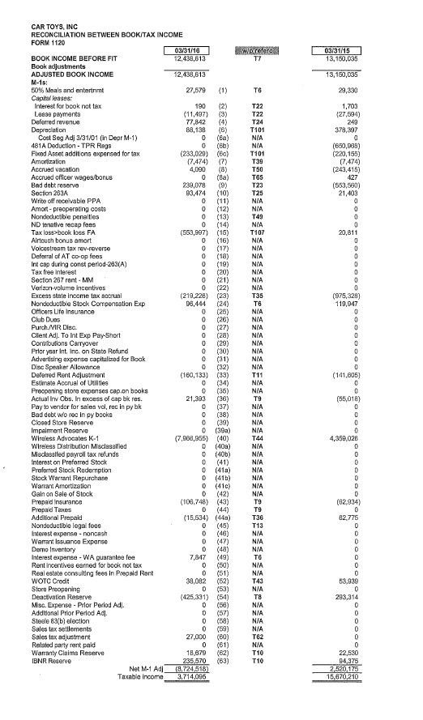
This work-paper is from SBBB to reconcile the book income to the taxable income.

The 2015 provision seems to have anticipated higher income from Wireless Advocates, LLC.

